Sheet1
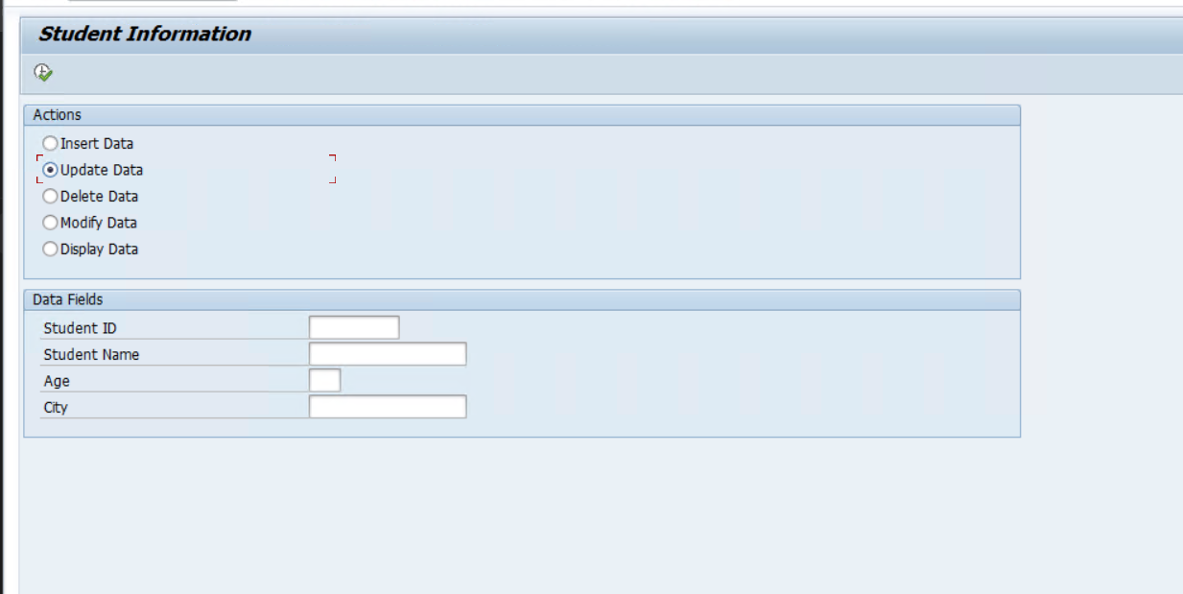
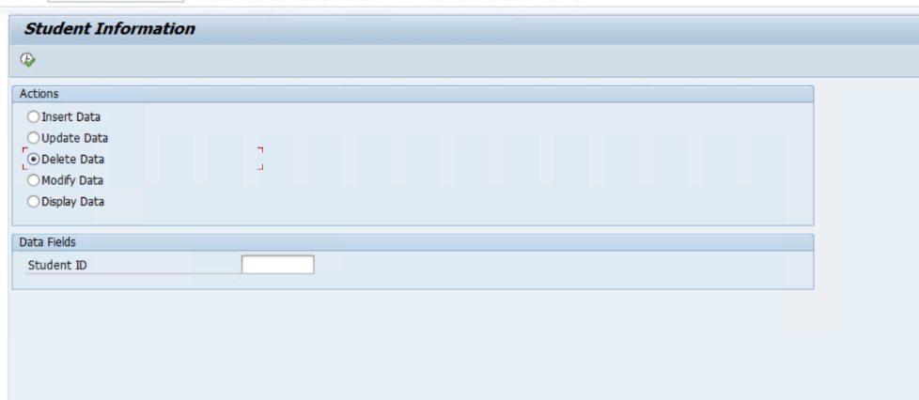
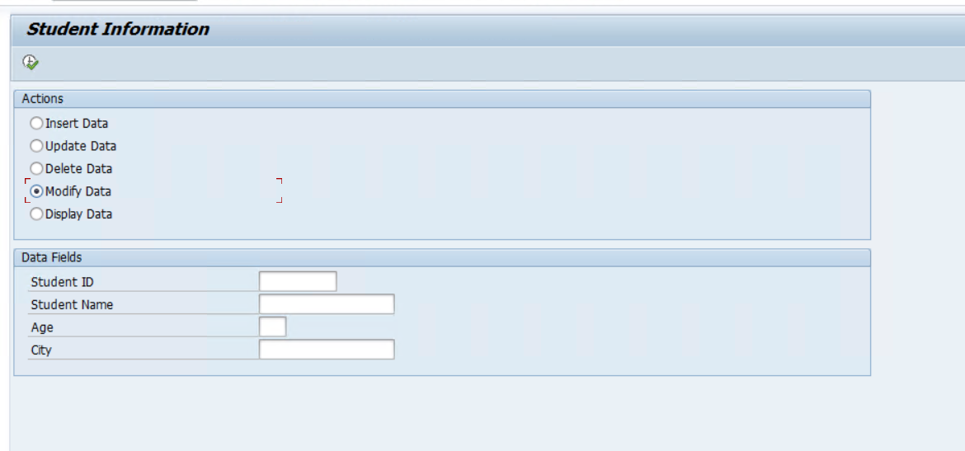
QUESTIONS | Table Name | ZSTUDENT_DB | Program name | ZSTUDENT_DB_OPERATIONS

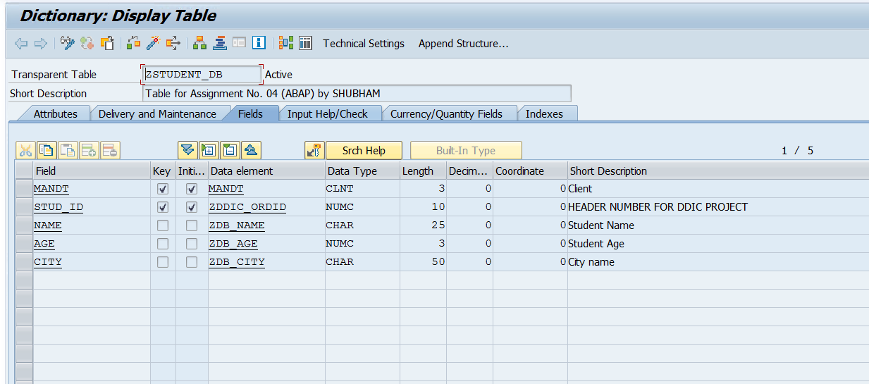
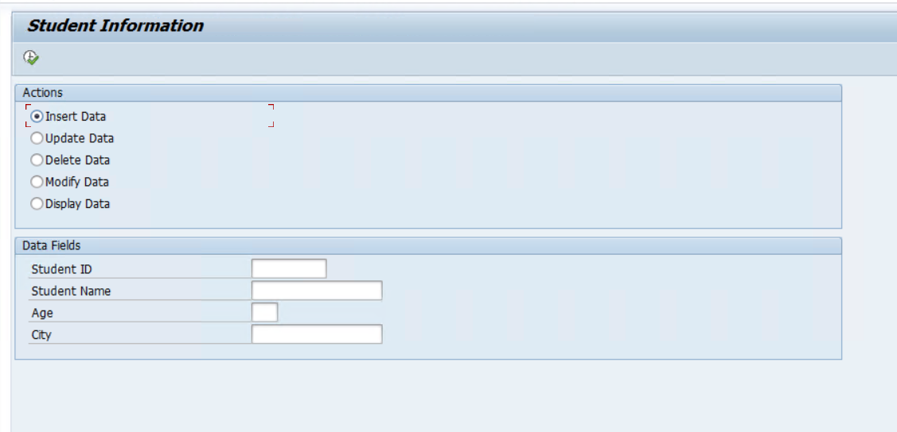
 |  |  |  | OUTPUT SCREENS
DDIC Requirement Create table ZSTUDENT_DB with fields STUD_ID, NAME, AGE, CITY. Maintain 10 records. Selection Screen Parameters: STUD_ID, NAME, AGE, CITY Radio Buttons: INSERT, UPDATE, DELETE, MODIFY Logic Perform DB operations based on selected radio button. Use SY-SUBRC for validation. Internal Table Fetch data using SELECT and display using LOOP. Flow Selection Screen → Radio Button → DB Operation → SY-SUBRC → Output


 | FULL CODE
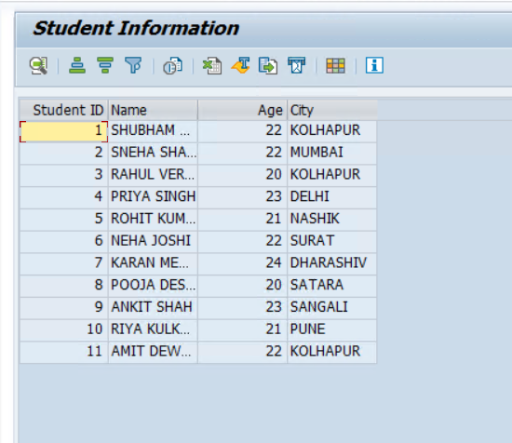
 | *&---------------------------------------------------------------------* *& Report ZSTUDENT_DB_OPERATIONS *&---------------------------------------------------------------------* *& *&---------------------------------------------------------------------* REPORT zstudent_db_operations. SELECTION-SCREEN BEGIN OF BLOCK b1 WITH FRAME TITLE TEXT-000. PARAMETERS: p_insert RADIOBUTTON GROUP g1 USER-COMMAND id, p_update RADIOBUTTON GROUP g1, p_delete RADIOBUTTON GROUP g1 DEFAULT 'X', p_modify RADIOBUTTON GROUP g1, p_diplay RADIOBUTTON GROUP g1. SELECTION-SCREEN END OF BLOCK b1. DATA: lv_id TYPE zddic_ordid, lv_name TYPE zdb_name, lv_age TYPE zdb_age, lv_city TYPE zdb_city. SELECTION-SCREEN BEGIN OF BLOCK b2 WITH FRAME TITLE TEXT-001. SELECT-OPTIONS: s_id FOR lv_id NO INTERVALS NO-EXTENSION MODIF ID id MATCHCODE OBJECT zstudent_db_sno, s_name FOR lv_name NO INTERVALS NO-EXTENSION MODIF ID nam, s_age FOR lv_age NO INTERVALS NO-EXTENSION MODIF ID age, s_city FOR lv_city NO INTERVALS NO-EXTENSION MODIF ID cit. SELECTION-SCREEN END OF BLOCK b2. AT SELECTION-SCREEN OUTPUT. LOOP AT SCREEN. IF screen-group1 = 'ID' OR screen-group1 = 'NAM' OR screen-group1 = 'AGE' OR screen-group1 = 'CIT'. IF p_delete = 'X'. IF screen-group1 = 'ID'. screen-active = 1. ELSE. screen-active = 0. ENDIF. ELSEIF p_insert = 'X' OR p_update = 'X' OR p_modify = 'X'. IF p_insert = 'X'. screen-value_help = 0. ENDIF. screen-active = 1. ELSE. screen-active = 0. ENDIF. MODIFY SCREEN. ENDIF. ENDLOOP. START-OF-SELECTION. TYPES: BEGIN OF lty_data, stud_id TYPE zddic_ordid, name TYPE zdb_name, age TYPE zdb_age, city TYPE

